1266
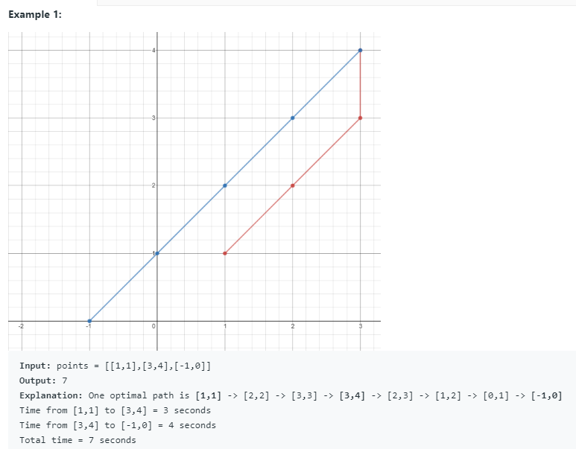
1266. Minimum Time Visiting All Points

